Dashboard
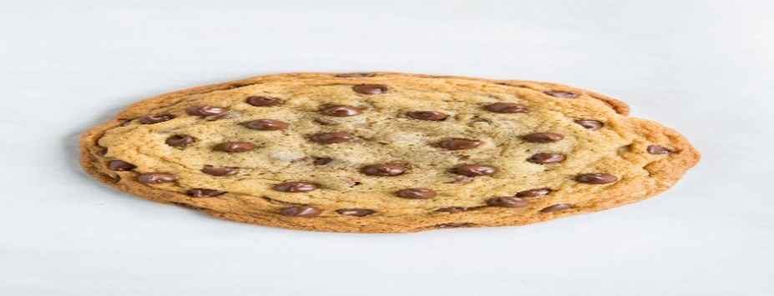
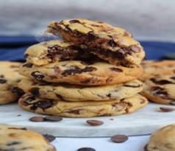 YumYum Cookie Company Dashboard

Product Sold Monthly
 | Chocolate Chip | Fortune Cookie | Oatmeal Raisin | Snickerdoodle | Sugar | White Chocolate Macadamia Nut
Jan | 4934 | 983 | 579 | 1118 | 1956 | 555
Feb | 4155 | 1298 | 270 | 1858 | 2844 | 2755
Mar | 3965 | 677 | 2993 | 1761 | 1579 | 1465
Apr | 8168 | 2301 | 1953 | 3446 | 1352 | 606
May | 5245 | 2313 | 2844 | 1743 | 1806 | 790
Jun | 3462 | 2424 | 4189 | 3558 | 3294 | 3509
Jul | 4820 | 3627 | 3200 | 2529 | 437 | 2460
Aug | 2876 |  | 2141 |  | 5348 | 5653
Sep | 6134 | 4826 | 4060 | 2277 | 2216 | 2332
Oct | 8122 | 5225 | 5455 | 4392 | 5710 | 6370
Nov | 7001 | 4527 | 3784 | 2293 | 3652 | 3121
Dec | 10586 | 3412 | 4002 | 844 | 4307 | 6145
Unit Sold Monthly
 | Total
Jan | 67841
Feb | 55115
Mar | 53420
Apr | 78893
May | 51771
Jun | 103302
Jul | 69355
Aug | 60705
Sep | 107881
Oct | 201104
Nov | 121131
Dec | 155306

Monthly Profit
 | Total
Jan | £25,231
Feb | £32,835
Mar | £32,744
Apr | £44,764
May | £35,634
Jun | £50,118
Jul | £41,404
Aug | £42,354
Sep | £50,780
Oct | £85,495
Nov | £57,487
Dec | £75,312
Profit by Country
 | Chocolate Chip | Fortune Cookie | Oatmeal Raisin | Snickerdoodle | Sugar | White Chocolate Macadamia Nut
United States | £208,404 | £25,290 | £99,316 | £64,548 | £60,377 | £116,223

